Additional Rows
 | Appendix G - Occasional Mileage (Additional Lines)

Enter in your origin and destination and the mileage will automatically populate
 | Employee Name | Employee # |  | Fund | Cost Center
 |  |  |  |  |  |  |  |  |  |  | $0.575
 | Origin |  |  |  | Destination |  |  |  | Output | Purpose (mandatory) | Distance * current reimbursement rate at 57.5 cents/mile
Date | Street | City | State | Country | Street | City | State | Country | Distance (miles) | Explain travel need | Amount ($)
 |  |  |  |  |  |  |  |  |  |  | $-
 |  |  |  |  |  |  |  |  |  |  | $-
 |  |  |  |  |  |  |  |  |  |  | $-
 |  |  |  |  |  |  |  |  |  |  | $-
 |  |  |  |  |  |  |  |  |  |  | $-
 |  |  |  |  |  |  |  |  |  |  | $-
 |  |  |  |  |  |  |  |  |  |  | $-
 |  |  |  |  |  |  |  |  |  |  | $-
 |  |  |  |  |  |  |  |  |  |  | $-
 |  |  |  |  |  |  |  |  |  |  | $-
 |  |  |  |  |  |  |  |  |  |  | $-
 |  |  |  |  |  |  |  |  |  |  | $-
 |  |  |  |  |  |  |  |  |  |  | $-
 |  |  |  |  |  |  |  |  |  |  | $-
 |  |  |  |  |  |  |  |  |  |  | $-
 |  |  |  |  |  |  |  |  |  |  | $-
 |  |  |  |  |  |  |  |  |  |  | $-
 |  |  |  |  |  |  |  |  |  |  | $-
 |  |  |  |  |  |  |  |  |  |  | $-
 |  |  |  |  |  |  |  |  |  |  | $-
 |  |  |  |  |  |  |  |  |  |  | $-
 |  |  |  |  |  |  |  |  |  |  | $-
 |  |  |  |  |  |  |  |  |  |  | $-
 |  |  |  |  |  |  |  |  |  |  | $-
 |  |  |  |  |  |  |  |  |  |  | $-
 |  |  |  |  |  |  |  |  |  |  | $-
 |  |  |  |  |  |  |  |  |  |  | $-
 |  |  |  |  |  |  |  |  |  |  | $-
 |  |  |  |  |  |  |  |  |  |  | $-
 |  |  |  |  |  |  |  |  |  |  | $-
 |  |  |  |  |  |  |  |  |  |  | $-
 |  |  |  |  |  |  |  |  |  |  | $-
 |  |  |  |  |  |  |  |  |  |  | $-
 |  |  |  |  |  |  |  |  |  |  | $-
 |  |  |  |  |  |  |  |  |  |  | $-
 |  |  |  |  |  |  |  |  |  |  | $-
 |  |  |  |  |  |  |  |  |  | Total | $-

 | I certify that these expenses were incurred in connection with official business for the City of Houston.

 | Employee's Signature |  |  |  |  | Date

 | Concur (initials):
Revised Date: 1/09/2020 |  |  | Manager |  |  | Date |  | Authorizing Signature

Instructions
Directions for Using Appendix G

1. Make sure your Macros are enabled. When you open the worksheet, it should prompt you to "Enable Content"

You can also close and open the worksheet again if you did not enable macros
2. Fill out employee name, employee number, fund, and cost center
3. Enter in a complete address for origin and destination, and the miles and reimbursement amount will automatically populate

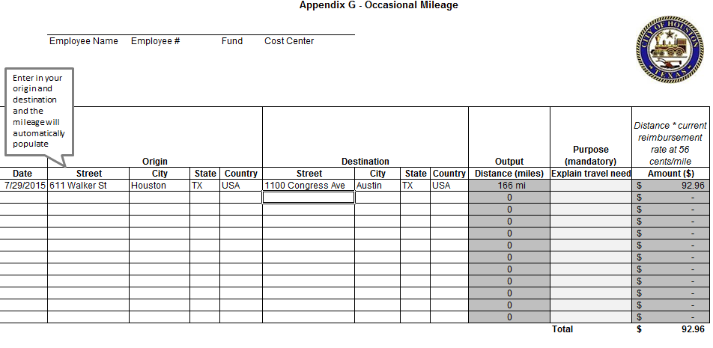

4. Print out the form
5. Sign your signature and get your manager's signature at the bottom of the sheet

