Cover Sheet


Request for Support Resolution from City of Houston for 9% Tax Credits

Developer Name:
Project Name:
Date:

Deadline for submittal: 5 p.m. Monday, January 12, 2026

Certification (print & sign)
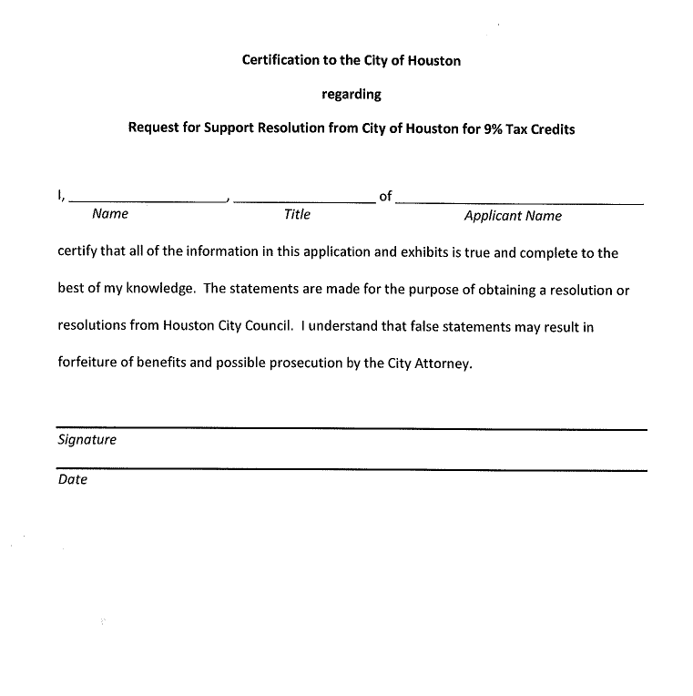
AUTHORIZED OFFICIAL CERTIFICATION / SIGNATURE

